SELF-NOISE
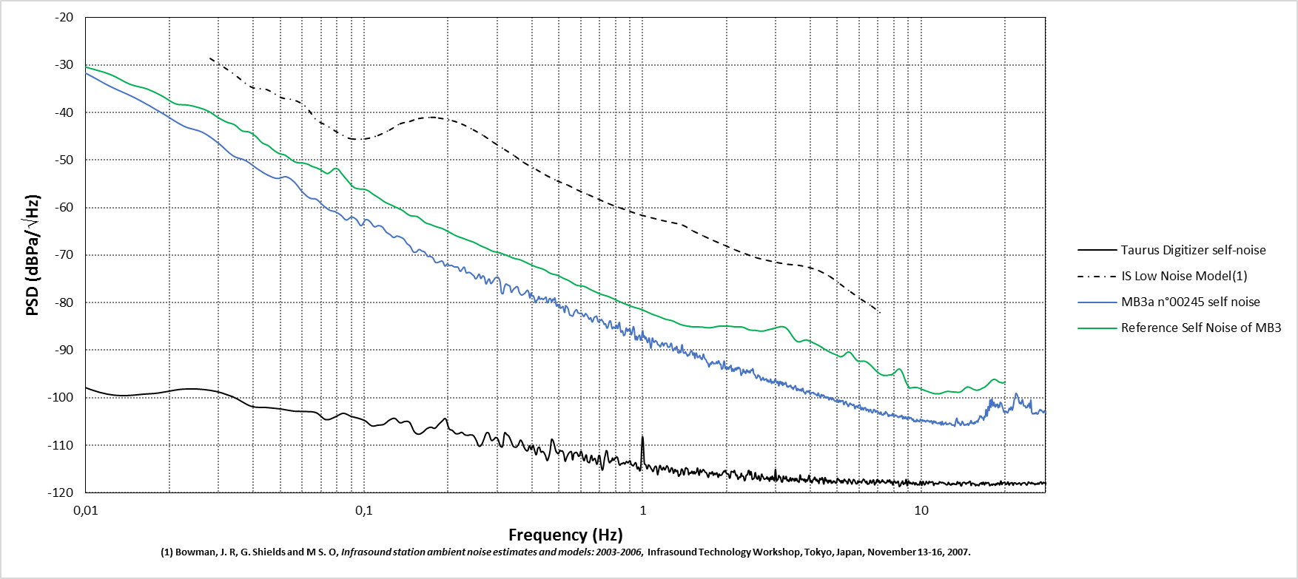
Frequency (Hz) | PSD (dBPa/\/Hz)
0.003751 | -8.359329
0.007501 | -26.571296
0.011252 | -33.353787
0.015002 | -36.890451
0.018753 | -40.072342
0.022504 | -42.866875
0.026254 | -44.14461
0.030005 | -46.464892
0.033755 | -49.072245
0.037506 | -50.102439
0.041256 | -51.793556
0.045007 | -53.152441
0.048758 | -53.880296
0.052508 | -53.514284
0.056259 | -54.681714
0.060009 | -56.708299
0.06376 | -57.992984
0.067511 | -58.271367
0.071261 | -59.54972
0.075012 | -60.519579
0.078762 | -60.868104
0.082513 | -61.593788
0.086263 | -62.60335
0.090014 | -61.996301
0.093765 | -62.492812
0.097515 | -63.798715
0.101266 | -62.530542
0.105016 | -62.957087
0.108767 | -64.023155
0.112518 | -63.780959
0.116268 | -64.085693
0.120019 | -65.133636
0.123769 | -65.636434
0.12752 | -66.288908
0.131271 | -65.992292
0.135021 | -66.212868
0.138772 | -66.600389
0.142522 | -67.573493
0.146273 | -68.100888
0.150023 | -69.285197
0.153774 | -69.351443
0.157525 | -68.800842
0.161275 | -69.140279
0.165026 | -69.374083
0.168776 | -70.227003
0.172527 | -70.269859
0.176278 | -70.528108
0.180028 | -71.468706
0.183779 | -71.546812
0.187529 | -71.318089
0.19128 | -71.304774
0.19503 | -72.298325
0.198781 | -71.849986
0.202532 | -72.18812
0.206282 | -72.151722
0.210033 | -72.43813
0.213783 | -72.495634
0.217534 | -72.569597
0.221285 | -73.410869
0.225035 | -72.948001
0.228786 | -72.531718
0.232536 | -73.702591
0.236287 | -73.635769
0.240038 | -73.670944
0.243788 | -74.006341
0.247539 | -74.363361
0.251289 | -74.96943
0.25504 | -74.615731
0.25879 | -73.980815
0.262541 | -74.917217
0.266292 | -74.356343
0.270042 | -74.617799
0.273793 | -76.036068
0.277543 | -75.463974
0.281294 | -75.00145
0.285045 | -75.971465
0.288795 | -75.673082
0.292546 | -75.167999
0.296296 | -74.749569
0.300047 | -74.669775
0.303797 | -74.773867
0.307548 | -75.513194
0.311299 | -77.936301
0.315049 | -78.108446
0.3188 | -76.761807
0.32255 | -76.100532
0.326301 | -76.19625
0.330052 | -76.380165
0.333802 | -76.547121
0.337553 | -77.786223
0.341303 | -77.46905
0.345054 | -77.064437
0.348805 | -76.886879
0.352555 | -76.604732
0.356306 | -76.752413
0.360056 | -77.746221
0.363807 | -78.180941
0.367557 | -78.399211
0.371308 | -78.319145
0.375059 | -78.154424
0.378809 | -77.92301
0.38256 | -77.580682
0.38631 | -77.384337
0.390061 | -77.879387
0.393812 | -79.00732
0.397562 | -77.958218
0.401313 | -78.611661
0.405063 | -78.545577
0.408814 | -79.249129
0.412564 | -80.020543
0.416315 | -79.488743
0.420066 | -79.352373
0.423816 | -78.680624
0.427567 | -79.250648
0.431317 | -79.18638
0.435068 | -79.086513
0.438819 | -79.342707
0.442569 | -79.167285
0.44632 | -79.009691
0.45007 | -78.854275
0.453821 | -79.967699
0.457571 | -79.929468
0.461322 | -79.264445
0.465073 | -79.114484
0.468823 | -79.364605
0.472574 | -79.853083
0.476324 | -79.261647
0.480075 | -79.432206
0.483826 | -79.001713
0.487576 | -80.096472
0.491327 | -80.738971
0.495077 | -80.390897
0.498828 | -80.725586
0.502579 | -80.359406
0.506329 | -81.121077
0.51008 | -81.084478
0.51383 | -80.947739
0.517581 | -80.817541
0.521331 | -81.555655
0.525082 | -82.044982
0.528833 | -80.64017
0.532583 | -80.732951
0.536334 | -80.9709
0.540084 | -81.279897
0.543835 | -82.027038
0.547586 | -82.612088
0.551336 | -82.658666
0.555087 | -82.708801
0.558837 | -82.837795
0.562588 | -82.724792
0.566338 | -82.240111
0.570089 | -81.862389
0.57384 | -81.66461
0.57759 | -81.478073
0.581341 | -81.599822
0.585091 | -82.066586
0.588842 | -82.19223
0.592593 | -82.217014
0.596343 | -82.287589
0.600094 | -82.195172
0.603844 | -82.207533
0.607595 | -82.498068
0.611346 | -82.749211
0.615096 | -82.913688
0.618847 | -82.675807
0.622597 | -82.296494
0.626348 | -82.348437
0.630098 | -82.571786
0.633849 | -82.758037
0.6376 | -83.074322
0.64135 | -83.43833
0.645101 | -83.454455
0.648851 | -83.170156
0.652602 | -83.334873
0.656353 | -83.897692
0.660103 | -84.070668
0.663854 | -83.74799
0.667604 | -83.297516
0.671355 | -83.035072
0.675105 | -82.969742
0.678856 | -82.934689
0.682607 | -82.828074
0.686357 | -83.189274
0.690108 | -83.786104
0.693858 | -84.042076
0.697609 | -84.095366
0.70136 | -83.799313
0.70511 | -83.71906
0.708861 | -83.618388
0.712611 | -83.528745
0.716362 | -83.773838
0.720113 | -83.95681
0.723863 | -84.192237
0.727614 | -84.583074
0.731364 | -84.543104
0.735115 | -84.42997
0.738865 | -84.76885
0.742616 | -85.250114
0.746367 | -85.368551
0.750117 | -85.165301
0.753868 | -84.705201
0.757618 | -84.163191
0.761369 | -83.890253
0.76512 | -83.829099
0.76887 | -84.102536
0.772621 | -84.815094
0.776371 | -85.372189
0.780122 | -85.473827
0.783872 | -85.222158
0.787623 | -85.097865
0.791374 | -85.20754
0.795124 | -85.362838
0.798875 | -85.361397
0.802625 | -84.870973
0.806376 | -84.735194
0.810127 | -85.185216
0.813877 | -85.445028
0.817628 | -85.034708
0.821378 | -84.332454
0.825129 | -84.149662
0.82888 | -84.840166
0.83263 | -85.738206
0.836381 | -86.218319
0.840131 | -86.115105
0.843882 | -85.894251
0.847632 | -85.993335
0.851383 | -86.470875
0.855134 | -86.926031
0.858884 | -86.803532
0.862635 | -86.769331
0.866385 | -86.312137
0.870136 | -85.635759
0.873887 | -85.316019
0.877637 | -85.692545
0.881388 | -86.020369
0.885138 | -85.734517
0.888889 | -85.581682
0.892639 | -85.854626
0.89639 | -85.821153
0.900141 | -85.550133
0.903891 | -85.908432
0.907642 | -86.690516
0.911392 | -86.746069
0.915143 | -86.44859
0.918894 | -86.00449
0.922644 | -85.341624
0.926395 | -85.026096
0.930145 | -85.262778
0.933896 | -85.893061
0.937647 | -87.068624
0.941397 | -87.816686
0.945148 | -87.302408
0.948898 | -87.064927
0.952649 | -87.579649
0.956399 | -87.858023
0.96015 | -87.496795
0.963901 | -87.175549
0.967651 | -87.138421
0.971402 | -86.886816
0.975152 | -86.826725
0.978903 | -87.305503
0.982654 | -87.888286
0.986404 | -87.835308
0.990155 | -87.584197
0.993905 | -86.861844
0.997656 | -85.929792
1.001406 | -85.943228
1.005157 | -86.761138
1.008908 | -87.245603
1.012658 | -86.945991
1.016409 | -87.112349
1.020159 | -87.615358
1.02391 | -87.415992
1.027661 | -87.244778
1.031411 | -87.601865
1.035162 | -88.035037
1.038912 | -88.212697
1.042663 | -88.408024
1.046414 | -88.067321
1.050164 | -87.678193
1.053915 | -87.414555
1.057665 | -87.598921
1.061416 | -88.274345
1.065166 | -88.995323
1.068917 | -89.576162
1.072668 | -89.526619
1.076418 | -88.792264
1.080169 | -87.840514
1.083919 | -87.429146
...

