SELF-NOISE
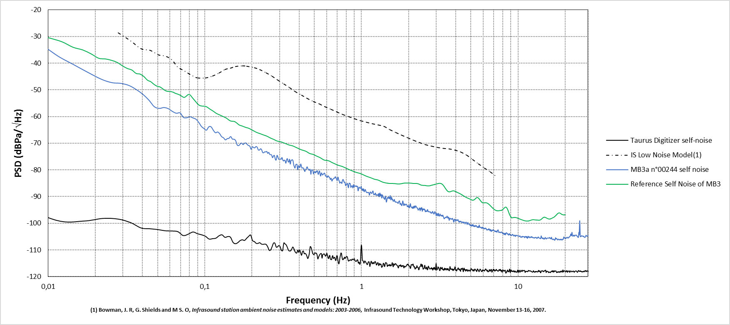
Frequency (Hz) | PSD (dBPa/\/Hz)
0.003658 | -11.294208
0.007316 | -28.288908
0.010974 | -36.485887
0.014633 | -40.632016
0.018291 | -43.722562
0.021949 | -46.070852
0.025607 | -47.318488
0.029265 | -47.589964
0.032923 | -48.400171
0.036581 | -49.93342
0.04024 | -51.662836
0.043898 | -53.816398
0.047556 | -56.286645
0.051214 | -56.946801
0.054872 | -56.622809
0.05853 | -57.061535
0.062188 | -58.099576
0.065847 | -58.774578
0.069505 | -58.637035
0.073163 | -60.347207
0.076821 | -60.443085
0.080479 | -60.083435
0.084137 | -60.543988
0.087796 | -60.991922
0.091454 | -62.171244
0.095112 | -63.69158
0.09877 | -64.476983
0.102428 | -65.106952
0.106086 | -63.863282
0.109744 | -63.871083
0.113403 | -65.164986
0.117061 | -66.087297
0.120719 | -65.79396
0.124377 | -66.410239
0.128035 | -67.534311
0.131693 | -67.972837
0.135351 | -68.740524
0.13901 | -68.29836
0.142668 | -68.1627
0.146326 | -67.502631
0.149984 | -68.452731
0.153642 | -68.502658
0.1573 | -69.004311
0.160958 | -70.646165
0.164617 | -70.878504
0.168275 | -70.336139
0.171933 | -69.924222
0.175591 | -70.532915
0.179249 | -69.990144
0.182907 | -69.924984
0.186565 | -70.486527
0.190224 | -70.860613
0.193882 | -71.114498
0.19754 | -72.257733
0.201198 | -71.332754
0.204856 | -71.616884
0.208514 | -71.738755
0.212172 | -71.236932
0.215831 | -71.482614
0.219489 | -72.47697
0.223147 | -72.566101
0.226805 | -72.083995
0.230463 | -72.408234
0.234121 | -73.469749
0.23778 | -73.570529
0.241438 | -73.220084
0.245096 | -73.268863
0.248754 | -73.093436
0.252412 | -73.803179
0.25607 | -73.424997
0.259728 | -74.184801
0.263387 | -74.266396
0.267045 | -74.404862
0.270703 | -75.420563
0.274361 | -74.787811
0.278019 | -74.57581
0.281677 | -75.903739
0.285335 | -76.315457
0.288994 | -74.58879
0.292652 | -75.121634
0.29631 | -75.99946
0.299968 | -75.956022
0.303626 | -75.90722
0.307284 | -76.012036
0.310942 | -75.35637
0.314601 | -76.243886
0.318259 | -76.661864
0.321917 | -76.33099
0.325575 | -76.527235
0.329233 | -77.47266
0.332891 | -76.226356
0.336549 | -75.76872
0.340208 | -76.850658
0.343866 | -77.060608
0.347524 | -76.012068
0.351182 | -77.834175
0.35484 | -76.454744
0.358498 | -76.37152
0.362156 | -76.167188
0.365815 | -76.588464
0.369473 | -78.03103
0.373131 | -78.819129
0.376789 | -79.288986
0.380447 | -78.065058
0.384105 | -77.914924
0.387764 | -77.930834
0.391422 | -79.885657
0.39508 | -78.807341
0.398738 | -78.378732
0.402396 | -79.109016
0.406054 | -78.865765
0.409712 | -77.78887
0.413371 | -78.538775
0.417029 | -79.330091
0.420687 | -79.223309
0.424345 | -79.255599
0.428003 | -79.43507
0.431661 | -80.07636
0.435319 | -80.610658
0.438978 | -79.94432
0.442636 | -79.797051
0.446294 | -79.268632
0.449952 | -78.846465
0.45361 | -79.340071
0.457268 | -79.812664
0.460926 | -79.880454
0.464585 | -80.186484
0.468243 | -79.727742
0.471901 | -79.921175
0.475559 | -81.631247
0.479217 | -80.302492
0.482875 | -79.939643
0.486533 | -80.067909
0.490192 | -80.271032
0.49385 | -81.49071
0.497508 | -80.875498
0.501166 | -80.863612
0.504824 | -80.683538
0.508482 | -81.127012
0.51214 | -80.612319
0.515799 | -80.829906
0.519457 | -80.387629
0.523115 | -80.346502
0.526773 | -81.157025
0.530431 | -81.683943
0.534089 | -81.156061
0.537747 | -80.410428
0.541406 | -80.556848
0.545064 | -81.683325
0.548722 | -82.307553
0.55238 | -81.617945
0.556038 | -81.108845
0.559696 | -81.451121
0.563355 | -81.906679
0.567013 | -81.805204
0.570671 | -81.616621
0.574329 | -81.426257
0.577987 | -81.229037
0.581645 | -81.21376
0.585303 | -81.628655
0.588962 | -82.252241
0.59262 | -82.38328
0.596278 | -82.159982
0.599936 | -82.361097
0.603594 | -82.81446
0.607252 | -82.659581
0.61091 | -82.22839
0.614569 | -82.252597
0.618227 | -82.609599
0.621885 | -82.725362
0.625543 | -82.729779
0.629201 | -83.173109
0.632859 | -83.62696
0.636517 | -83.423256
0.640176 | -83.115278
0.643834 | -83.480189
0.647492 | -84.162571
0.65115 | -84.035095
0.654808 | -83.554768
0.658466 | -83.45424
0.662124 | -83.372141
0.665783 | -83.158272
0.669441 | -83.021657
0.673099 | -83.118734
0.676757 | -82.962527
0.680415 | -82.590989
0.684073 | -82.625051
0.687731 | -82.976064
0.69139 | -83.215966
0.695048 | -83.590052
0.698706 | -83.942599
0.702364 | -83.699795
0.706022 | -82.936302
0.70968 | -82.717953
0.713339 | -83.308523
0.716997 | -83.942405
0.720655 | -84.023651
0.724313 | -84.539092
0.727971 | -84.975341
0.731629 | -84.652119
0.735287 | -84.587559
0.738946 | -84.600066
0.742604 | -84.621893
0.746262 | -84.95197
0.74992 | -85.065044
0.753578 | -84.489263
0.757236 | -83.870305
0.760894 | -83.610338
0.764553 | -83.611027
0.768211 | -83.824928
0.771869 | -84.27448
0.775527 | -84.63589
0.779185 | -84.69687
0.782843 | -84.546207
0.786501 | -84.909479
0.79016 | -85.624749
0.793818 | -85.885633
0.797476 | -85.485804
0.801134 | -85.2713
0.804792 | -85.496319
0.80845 | -85.316621
0.812108 | -84.981233
0.815767 | -85.364899
0.819425 | -85.904282
0.823083 | -86.4734
0.826741 | -86.653833
0.830399 | -85.802656
0.834057 | -84.965299
0.837715 | -84.952027
0.841374 | -85.158055
0.845032 | -85.041655
0.84869 | -85.173538
0.852348 | -85.949955
0.856006 | -86.580258
0.859664 | -86.347328
0.863323 | -86.062811
0.866981 | -85.956871
0.870639 | -85.950121
0.874297 | -86.054152
0.877955 | -86.48087
0.881613 | -86.749865
0.885271 | -86.134405
0.88893 | -85.549727
0.892588 | -86.026086
0.896246 | -86.448438
0.899904 | -86.093015
0.903562 | -85.857133
0.90722 | -85.919235
0.910878 | -86.123216
0.914537 | -86.100461
0.918195 | -86.12908
0.921853 | -86.176425
0.925511 | -85.987696
0.929169 | -86.010519
0.932827 | -86.253922
0.936485 | -86.258364
0.940144 | -86.105643
0.943802 | -86.187501
0.94746 | -87.033091
0.951118 | -87.822686
0.954776 | -87.779533
0.958434 | -87.355994
0.962092 | -86.66929
0.965751 | -86.426356
0.969409 | -86.5295
0.973067 | -86.692813
0.976725 | -86.831173
0.980383 | -86.808681
0.984041 | -86.897622
0.987699 | -86.875426
0.991358 | -86.580048
0.995016 | -86.213547
0.998674 | -86.387577
1.002332 | -86.988297
1.00599 | -87.431271
1.009648 | -87.63035
1.013307 | -87.347716
1.016965 | -87.110622
1.020623 | -87.569434
1.024281 | -87.814798
1.027939 | -87.383165
1.031597 | -87.069962
1.035255 | -87.418854
1.038914 | -88.04389
1.042572 | -88.199845
1.04623 | -87.998509
1.049888 | -87.758172
1.053546 | -87.449867
1.057204 | -87.344685
...

