SELF-NOISE
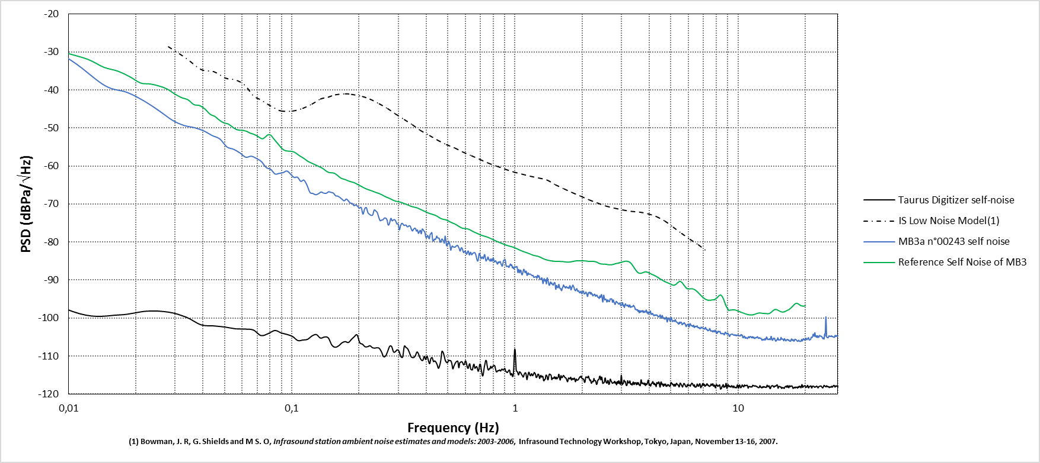
Frequency (Hz) | PSD (dBPa/\/Hz)
0.003658 | -7.478934
0.007316 | -25.835742
0.010974 | -33.40181
0.014633 | -38.943659
0.018291 | -40.64959
0.021949 | -43.000534
0.025607 | -45.599111
0.029265 | -48.002861
0.032923 | -49.342909
0.036581 | -49.912205
0.04024 | -50.728365
0.043898 | -51.958183
0.047556 | -52.87564
0.051214 | -54.970965
0.054872 | -55.594646
0.05853 | -56.542935
0.062188 | -57.684991
0.065847 | -57.418923
0.069505 | -58.025368
0.073163 | -58.855826
0.076821 | -60.400307
0.080479 | -60.875154
0.084137 | -62.088569
0.087796 | -61.950092
0.091454 | -61.740275
0.095112 | -61.310647
0.09877 | -62.129201
0.102428 | -63.008719
0.106086 | -62.939848
0.109744 | -64.02383
0.113403 | -63.710501
0.117061 | -65.088872
0.120719 | -66.958586
0.124377 | -67.226087
0.128035 | -67.549975
0.131693 | -67.284722
0.135351 | -66.841594
0.13901 | -67.122622
0.142668 | -67.170637
0.146326 | -66.784257
0.149984 | -66.942257
0.153642 | -67.119712
0.1573 | -67.826763
0.160958 | -67.930109
0.164617 | -68.303388
0.168275 | -68.777205
0.171933 | -69.159159
0.175591 | -68.690843
0.179249 | -69.16133
0.182907 | -69.744784
0.186565 | -69.850782
0.190224 | -70.443241
0.193882 | -70.207483
0.19754 | -70.663995
0.201198 | -71.082847
0.204856 | -70.907165
0.208514 | -72.646326
0.212172 | -71.267322
0.215831 | -70.944165
0.219489 | -72.289129
0.223147 | -72.701696
0.226805 | -72.984747
0.230463 | -72.880599
0.234121 | -71.585477
0.23778 | -71.812922
0.241438 | -72.221299
0.245096 | -73.36003
0.248754 | -74.379662
0.252412 | -74.219757
0.25607 | -74.155544
0.259728 | -73.720143
0.263387 | -73.689134
0.267045 | -74.130815
0.270703 | -75.537457
0.274361 | -75.004226
0.278019 | -73.768533
0.281677 | -74.41726
0.285335 | -74.185698
0.288994 | -74.115137
0.292652 | -74.558078
0.29631 | -75.275227
0.299968 | -75.211441
0.303626 | -76.788192
0.307284 | -75.699914
0.310942 | -75.109325
0.314601 | -75.235189
0.318259 | -75.623696
0.321917 | -75.549772
0.325575 | -75.56506
0.329233 | -75.994288
0.332891 | -75.898065
0.336549 | -75.685876
0.340208 | -75.925874
0.343866 | -76.68888
0.347524 | -77.08353
0.351182 | -76.625147
0.35484 | -76.404709
0.358498 | -76.432059
0.362156 | -77.112281
0.365815 | -76.824031
0.369473 | -77.70159
0.373131 | -77.318844
0.376789 | -76.928829
0.380447 | -77.833052
0.384105 | -76.581155
0.387764 | -76.740207
0.391422 | -77.110739
0.39508 | -77.496612
0.398738 | -78.726008
0.402396 | -78.829175
0.406054 | -78.256526
0.409712 | -78.653834
0.413371 | -79.144733
0.417029 | -78.015815
0.420687 | -77.752364
0.424345 | -77.519665
0.428003 | -79.503761
0.431661 | -79.766099
0.435319 | -79.219254
0.438978 | -79.342073
0.442636 | -79.106242
0.446294 | -78.429767
0.449952 | -78.884537
0.45361 | -78.937935
0.457268 | -78.991823
0.460926 | -79.742366
0.464585 | -80.05722
0.468243 | -79.426963
0.471901 | -79.187214
0.475559 | -79.515707
0.479217 | -79.876876
0.482875 | -80.260797
0.486533 | -78.449768
0.490192 | -79.420926
0.49385 | -80.958824
0.497508 | -80.500339
0.501166 | -80.584611
0.504824 | -79.795908
0.508482 | -80.251589
0.51214 | -80.952384
0.515799 | -82.136172
0.519457 | -81.587411
0.523115 | -81.062332
0.526773 | -81.156193
0.530431 | -81.321325
0.534089 | -81.292493
0.537747 | -81.37015
0.541406 | -81.262275
0.545064 | -81.035418
0.548722 | -80.985145
0.55238 | -80.840307
0.556038 | -81.039
0.559696 | -81.439493
0.563355 | -81.79073
0.567013 | -82.345811
0.570671 | -82.160141
0.574329 | -81.540789
0.577987 | -81.513412
0.581645 | -81.857886
0.585303 | -82.401735
0.588962 | -82.768283
0.59262 | -82.567341
0.596278 | -82.39779
0.599936 | -82.450157
0.603594 | -82.869746
0.607252 | -83.215974
0.61091 | -82.924438
0.614569 | -82.495444
0.618227 | -82.33684
0.621885 | -82.937762
0.625543 | -83.430971
0.629201 | -82.958651
0.632859 | -82.677942
0.636517 | -83.035748
0.640176 | -83.35227
0.643834 | -83.168451
0.647492 | -82.946962
0.65115 | -82.874573
0.654808 | -82.838128
0.658466 | -82.758772
0.662124 | -82.821871
0.665783 | -83.103815
0.669441 | -83.508119
0.673099 | -84.188891
0.676757 | -84.694242
0.680415 | -85.000222
0.684073 | -84.823145
0.687731 | -83.860419
0.69139 | -83.006658
0.695048 | -83.033605
0.698706 | -83.566017
0.702364 | -84.108274
0.706022 | -84.371379
0.70968 | -84.121173
0.713339 | -83.891236
0.716997 | -84.062183
0.720655 | -84.392756
0.724313 | -84.18817
0.727971 | -83.485387
0.731629 | -83.278832
0.735287 | -83.733967
0.738946 | -84.567414
0.742604 | -84.988109
0.746262 | -84.673837
0.74992 | -84.64417
0.753578 | -84.341215
0.757236 | -83.919154
0.760894 | -84.222732
0.764553 | -84.674465
0.768211 | -84.634065
0.771869 | -84.800639
0.775527 | -85.035425
0.779185 | -84.58425
0.782843 | -84.400214
0.786501 | -84.891459
0.79016 | -85.050095
0.793818 | -84.719304
0.797476 | -84.263024
0.801134 | -84.135954
0.804792 | -84.791134
0.80845 | -85.221153
0.812108 | -85.193019
0.815767 | -85.043557
0.819425 | -84.892874
0.823083 | -85.106861
0.826741 | -85.333764
0.830399 | -85.491158
0.834057 | -85.769332
0.837715 | -85.760638
0.841374 | -85.220729
0.845032 | -85.242703
0.84869 | -85.439447
0.852348 | -85.285572
0.856006 | -85.185517
0.859664 | -85.129727
0.863323 | -85.445989
0.866981 | -85.857123
0.870639 | -85.971107
0.874297 | -86.271913
0.877955 | -86.331204
0.881613 | -85.954891
0.885271 | -85.349905
0.88893 | -84.848163
0.892588 | -84.793817
0.896246 | -84.799849
0.899904 | -84.619384
0.903562 | -84.568836
0.90722 | -85.029644
0.910878 | -85.809025
0.914537 | -86.308236
0.918195 | -86.434428
0.921853 | -86.353992
0.925511 | -86.459041
0.929169 | -86.444149
0.932827 | -86.325758
0.936485 | -86.455831
0.940144 | -86.684736
0.943802 | -86.439574
0.94746 | -86.199319
0.951118 | -86.000153
0.954776 | -85.759397
0.958434 | -85.957126
0.962092 | -86.203675
0.965751 | -85.982173
0.969409 | -86.060223
0.973067 | -86.738517
0.976725 | -86.777512
0.980383 | -86.495125
0.984041 | -86.798808
0.987699 | -87.027444
0.991358 | -86.962475
0.995016 | -86.775238
0.998674 | -86.474758
1.002332 | -86.513003
1.00599 | -86.654516
1.009648 | -86.591855
1.013307 | -86.511077
1.016965 | -86.590485
1.020623 | -86.423902
1.024281 | -86.690072
1.027939 | -87.601801
1.031597 | -88.067169
1.035255 | -87.664005
1.038914 | -87.23824
1.042572 | -87.265801
1.04623 | -87.65372
1.049888 | -88.082802
1.053546 | -87.773457
...

