SELF-NOISE
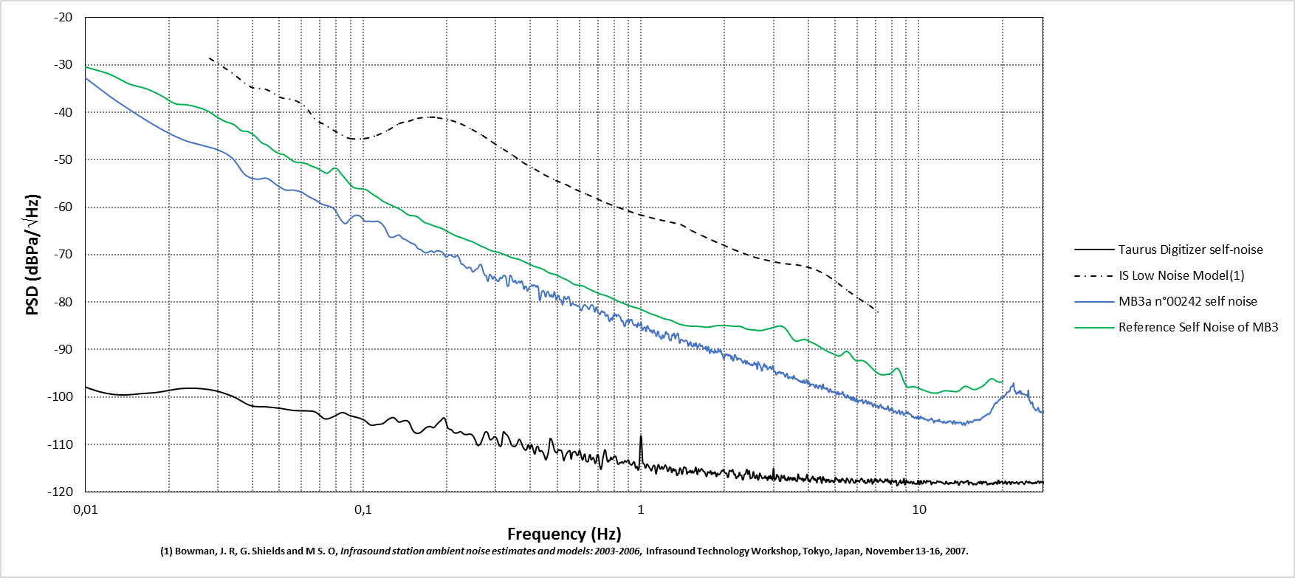
Frequency (Hz) | PSD (dBPa/\/Hz)
0.003751 | -5.393595
0.007501 | -26.217457
0.011252 | -35.00601
0.015002 | -40.072996
0.018753 | -43.538059
0.022504 | -45.788358
0.026254 | -46.933266
0.030005 | -47.921515
0.033755 | -49.614608
0.037506 | -53.090017
0.041256 | -54.080942
0.045007 | -53.906096
0.048758 | -55.262178
0.052508 | -56.357088
0.056259 | -56.400147
0.060009 | -56.830241
0.06376 | -57.778021
0.067511 | -58.511008
0.071261 | -59.381411
0.075012 | -59.754917
0.078762 | -60.394531
0.082513 | -62.381861
0.086263 | -63.470977
0.090014 | -62.377753
0.093765 | -61.727475
0.097515 | -61.878908
0.101266 | -62.911654
0.105016 | -62.940654
0.108767 | -63.052755
0.112518 | -62.946858
0.116268 | -63.395025
0.120019 | -64.456742
0.123769 | -66.083819
0.12752 | -66.356614
0.131271 | -66.043134
0.135021 | -65.867811
0.138772 | -66.571374
0.142522 | -66.856294
0.146273 | -67.277643
0.150023 | -67.638296
0.153774 | -67.913984
0.157525 | -68.715795
0.161275 | -68.93721
0.165026 | -69.410299
0.168776 | -69.613421
0.172527 | -69.379267
0.176278 | -69.212885
0.180028 | -69.511034
0.183779 | -69.159743
0.187529 | -69.240735
0.19128 | -69.349487
0.19503 | -69.762758
0.198781 | -70.513193
0.202532 | -70.193852
0.206282 | -70.039583
0.210033 | -70.339521
0.213783 | -70.507789
0.217534 | -70.171495
0.221285 | -70.62807
0.225035 | -71.844299
0.228786 | -72.059096
0.232536 | -72.438428
0.236287 | -72.857857
0.240038 | -72.664126
0.243788 | -72.780228
0.247539 | -73.612214
0.251289 | -73.394002
0.25504 | -73.031164
0.25879 | -72.870562
0.262541 | -72.138976
0.266292 | -72.14927
0.270042 | -73.389591
0.273793 | -74.29708
0.277543 | -74.50648
0.281294 | -75.600777
0.285045 | -74.194741
0.288795 | -74.400755
0.292546 | -75.14105
0.296296 | -74.614707
0.300047 | -75.045585
0.303797 | -75.52808
0.307548 | -75.557765
0.311299 | -74.826799
0.315049 | -75.014224
0.3188 | -74.477
0.32255 | -74.370415
0.326301 | -74.746049
0.330052 | -76.617788
0.333802 | -76.508391
0.337553 | -74.381282
0.341303 | -74.559583
0.345054 | -75.464606
0.348805 | -75.807258
0.352555 | -75.390238
0.356306 | -76.024934
0.360056 | -75.853253
0.363807 | -75.610233
0.367557 | -75.957934
0.371308 | -75.504872
0.375059 | -76.090489
0.378809 | -77.274909
0.38256 | -76.656254
0.38631 | -76.777713
0.390061 | -77.660298
0.393812 | -77.195321
0.397562 | -76.767856
0.401313 | -76.639526
0.405063 | -76.352759
0.408814 | -76.618558
0.412564 | -76.366713
0.416315 | -76.541635
0.420066 | -76.81762
0.423816 | -76.52239
0.427567 | -77.063265
0.431317 | -79.588826
0.435068 | -79.196668
0.438819 | -77.917275
0.442569 | -77.591602
0.44632 | -77.639419
0.45007 | -78.182256
0.453821 | -78.916739
0.457571 | -78.04969
0.461322 | -77.737744
0.465073 | -78.006909
0.468823 | -78.703131
0.472574 | -78.808073
0.476324 | -78.415978
0.480075 | -78.964778
0.483826 | -78.551227
0.487576 | -77.78236
0.491327 | -78.571817
0.495077 | -79.52415
0.498828 | -79.106021
0.502579 | -78.598348
0.506329 | -78.648162
0.51008 | -79.500438
0.51383 | -79.479463
0.517581 | -79.710911
0.521331 | -80.583484
0.525082 | -79.915425
0.528833 | -78.853534
0.532583 | -79.0882
0.536334 | -79.391139
0.540084 | -79.339048
0.543835 | -79.08599
0.547586 | -78.798314
0.551336 | -79.024411
0.555087 | -79.974126
0.558837 | -80.771811
0.562588 | -80.492509
0.566338 | -80.205878
0.570089 | -80.313511
0.57384 | -80.522818
0.57759 | -80.571319
0.581341 | -80.536119
0.585091 | -80.605256
0.588842 | -80.84365
0.592593 | -80.888683
0.596343 | -80.745527
0.600094 | -80.904203
0.603844 | -81.36745
0.607595 | -81.728849
0.611346 | -81.745157
0.615096 | -81.347237
0.618847 | -80.897744
0.622597 | -80.640405
0.626348 | -80.532665
0.630098 | -80.568616
0.633849 | -80.778617
0.6376 | -80.91876
0.64135 | -81.03319
0.645101 | -81.317888
0.648851 | -81.510955
0.652602 | -81.323014
0.656353 | -80.922447
0.660103 | -80.657904
0.663854 | -80.594946
0.667604 | -80.573635
0.671355 | -80.733224
0.675105 | -81.124539
0.678856 | -81.765051
0.682607 | -82.074833
0.686357 | -81.41665
0.690108 | -81.02804
0.693858 | -81.393212
0.697609 | -81.849088
0.70136 | -82.099126
0.70511 | -82.339924
0.708861 | -82.597504
0.712611 | -82.598578
0.716362 | -82.276921
0.720113 | -81.926693
0.723863 | -81.848227
0.727614 | -82.073469
0.731364 | -82.16075
0.735115 | -82.034685
0.738865 | -82.139987
0.742616 | -82.671164
0.746367 | -82.957155
0.750117 | -82.901796
0.753868 | -82.779736
0.757618 | -82.6305
0.761369 | -82.947045
0.76512 | -83.638621
0.76887 | -84.059468
0.772621 | -83.942254
0.776371 | -83.611627
0.780122 | -83.314175
0.783872 | -83.442151
0.787623 | -83.79199
0.791374 | -83.401192
0.795124 | -82.69814
0.798875 | -82.675402
0.802625 | -82.876475
0.806376 | -82.556358
0.810127 | -82.542772
0.813877 | -82.961053
0.817628 | -83.005721
0.821378 | -82.712575
0.825129 | -82.651245
0.82888 | -82.703811
0.83263 | -82.823693
0.836381 | -82.978537
0.840131 | -83.042065
0.843882 | -83.273288
0.847632 | -83.721071
0.851383 | -84.016126
0.855134 | -84.033941
0.858884 | -83.912743
0.862635 | -84.151887
0.866385 | -84.711919
0.870136 | -85.02206
0.873887 | -85.106763
0.877637 | -84.929286
0.881388 | -84.311461
0.885138 | -84.049712
0.888889 | -83.929219
0.892639 | -83.73419
0.89639 | -83.8251
0.900141 | -84.307547
0.903891 | -84.444771
0.907642 | -83.991362
0.911392 | -83.677877
0.915143 | -83.769985
0.918894 | -83.815123
0.922644 | -83.620205
0.926395 | -83.713806
0.930145 | -84.109733
0.933896 | -84.484747
0.937647 | -84.675136
0.941397 | -84.775731
0.945148 | -84.924359
0.948898 | -84.848452
0.952649 | -84.755262
0.956399 | -84.73994
0.96015 | -84.813106
0.963901 | -85.072133
0.967651 | -85.277455
0.971402 | -84.888232
0.975152 | -84.368235
0.978903 | -84.467089
0.982654 | -84.835859
0.986404 | -84.966182
0.990155 | -84.935417
0.993905 | -84.844074
0.997656 | -84.479033
1.001406 | -84.425093
1.005157 | -84.975314
1.008908 | -85.752149
1.012658 | -85.916931
1.016409 | -85.685621
1.020159 | -85.486543
1.02391 | -85.404585
1.027661 | -85.355741
1.031411 | -85.207594
1.035162 | -85.319828
1.038912 | -85.922578
1.042663 | -86.163912
1.046414 | -85.747003
1.050164 | -85.226363
1.053915 | -84.943492
1.057665 | -85.051419
1.061416 | -85.400835
1.065166 | -85.588736
1.068917 | -85.620264
1.072668 | -85.761522
1.076418 | -86.023194
1.080169 | -86.199602
1.083919 | -86.110038
...

