SELF-NOISE
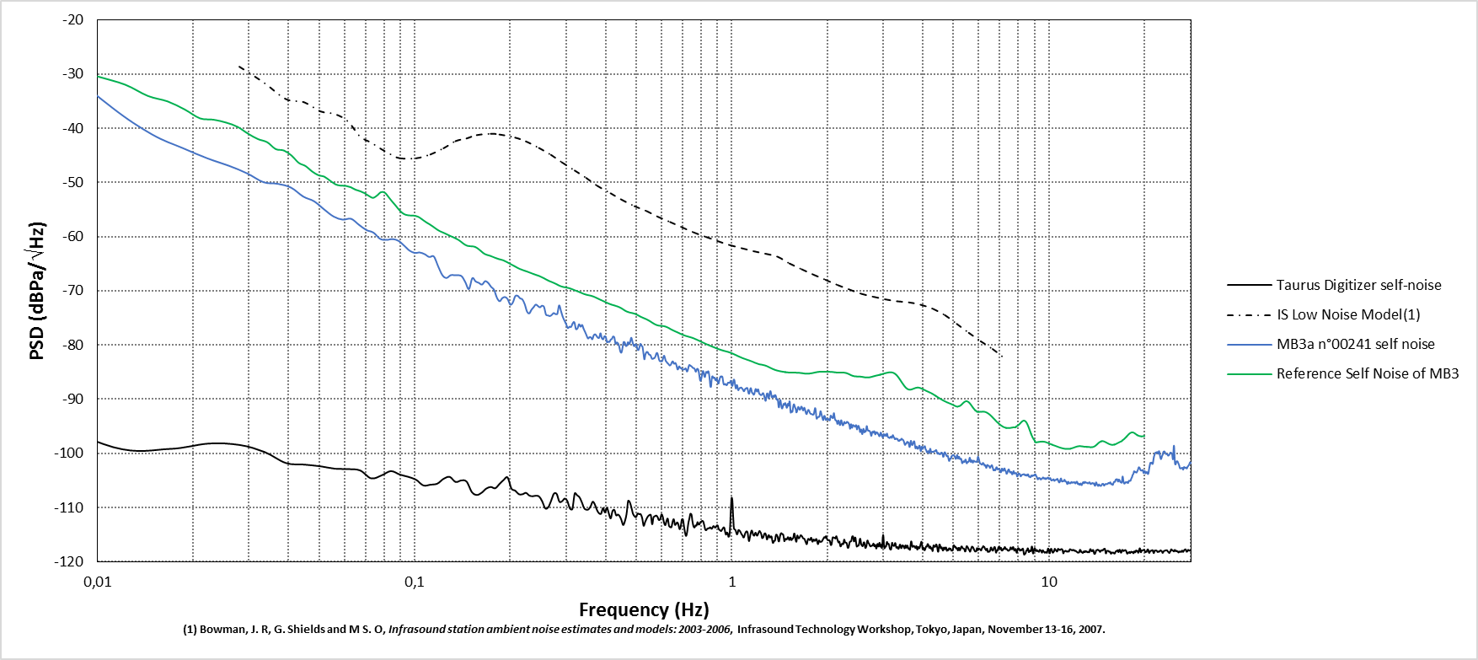
Frequency (Hz) | PSD (dBPa/\/Hz)
0.003704 | -9.662181
0.007408 | -27.387511
0.011112 | -36.193797
0.014816 | -41.114461
0.018519 | -43.640537
0.022223 | -45.567997
0.025927 | -46.915967
0.029631 | -48.331079
0.033335 | -49.952596
0.037039 | -50.259378
0.040743 | -50.958835
0.044447 | -52.58377
0.04815 | -53.4818
0.051854 | -55.007716
0.055558 | -56.311464
0.059262 | -56.856437
0.062966 | -56.697647
0.06667 | -57.807876
0.070374 | -58.774165
0.074078 | -59.251103
0.077781 | -60.412714
0.081485 | -60.597347
0.085189 | -60.451415
0.088893 | -60.780317
0.092597 | -61.666261
0.096301 | -62.572619
0.100005 | -63.000878
0.103709 | -62.927041
0.107412 | -63.224168
0.111116 | -63.755929
0.11482 | -63.65996
0.118524 | -65.471899
0.122228 | -67.119102
0.125932 | -67.623522
0.129636 | -67.127518
0.13334 | -67.11105
0.137043 | -67.111818
0.140747 | -67.336729
0.144451 | -68.439447
0.148155 | -69.67441
0.151859 | -67.666284
0.155563 | -68.26472
0.159267 | -68.525287
0.162971 | -68.846331
0.166674 | -68.222714
0.170378 | -68.525632
0.174082 | -69.268836
0.177786 | -69.813022
0.18149 | -71.245229
0.185194 | -71.916476
0.188898 | -71.337013
0.192602 | -71.137282
0.196305 | -71.533235
0.200009 | -72.550992
0.203713 | -72.16862
0.207417 | -70.981127
0.211121 | -70.91137
0.214825 | -71.376254
0.218529 | -71.585843
0.222233 | -72.466957
0.225936 | -73.837822
0.22964 | -74.160503
0.233344 | -73.480066
0.237048 | -73.005185
0.240752 | -72.534385
0.244456 | -72.792249
0.24816 | -73.033568
0.251864 | -72.743948
0.255567 | -72.961036
0.259271 | -74.378666
0.262975 | -74.531604
0.266679 | -74.648373
0.270383 | -74.450478
0.274087 | -74.109355
0.277791 | -74.286002
0.281495 | -74.244437
0.285198 | -72.690458
0.288902 | -73.636415
0.292606 | -74.741785
0.29631 | -75.478024
0.300014 | -76.099316
0.303718 | -76.874433
0.307422 | -76.623273
0.311126 | -76.663015
0.314829 | -76.01189
0.318533 | -75.796564
0.322237 | -77.041842
0.325941 | -76.941732
0.329645 | -76.164729
0.333349 | -76.627027
0.337053 | -76.29173
0.340757 | -77.00329
0.34446 | -77.582128
0.348164 | -78.218584
0.351868 | -78.798941
0.355572 | -78.557707
0.359276 | -78.591153
0.36298 | -78.930098
0.366684 | -78.204329
0.370388 | -78.007092
0.374091 | -78.285448
0.377795 | -78.635271
0.381499 | -78.66733
0.385203 | -77.829549
0.388907 | -78.713483
0.392611 | -78.943543
0.396315 | -78.399254
0.400019 | -78.459183
0.403722 | -79.47889
0.407426 | -79.347684
0.41113 | -79.42747
0.414834 | -78.999333
0.418538 | -78.855849
0.422242 | -78.408323
0.425946 | -78.584383
0.42965 | -79.771089
0.433353 | -79.518562
0.437057 | -79.662677
0.440761 | -80.134875
0.444465 | -81.12051
0.448169 | -81.40982
0.451873 | -80.571526
0.455577 | -79.44871
0.459281 | -79.53432
0.462984 | -80.177098
0.466688 | -80.061339
0.470392 | -79.473697
0.474096 | -79.861061
0.4778 | -79.418379
0.481504 | -78.644328
0.485208 | -79.247677
0.488912 | -79.944479
0.492615 | -80.219987
0.496319 | -79.879288
0.500023 | -79.980225
0.503727 | -80.774175
0.507431 | -80.927682
0.511135 | -80.414142
0.514839 | -79.782242
0.518543 | -80.105383
0.522246 | -80.273941
0.52595 | -81.445853
0.529654 | -82.635318
0.533358 | -81.793224
0.537062 | -81.372178
0.540766 | -81.265177
0.54447 | -81.452932
0.548174 | -81.780672
0.551877 | -81.795605
0.555581 | -82.067561
0.559285 | -82.504025
0.562989 | -82.565641
0.566693 | -82.447154
0.570397 | -82.387435
0.574101 | -82.101973
0.577805 | -81.57619
0.581508 | -81.463665
0.585212 | -81.966696
0.588916 | -82.654762
0.59262 | -82.964441
0.596324 | -83.00322
0.600028 | -83.042206
0.603732 | -82.887067
0.607436 | -82.33931
0.611139 | -81.960975
0.614843 | -82.381122
0.618547 | -82.914406
0.622251 | -83.101836
0.625955 | -83.309183
0.629659 | -83.45221
0.633363 | -83.63356
0.637067 | -83.781019
0.64077 | -83.695631
0.644474 | -83.3805
0.648178 | -83.098379
0.651882 | -83.023028
0.655586 | -83.398974
0.65929 | -83.44065
0.662994 | -83.305906
0.666698 | -83.505455
0.670401 | -84.033854
0.674105 | -84.507732
0.677809 | -84.34255
0.681513 | -83.929683
0.685217 | -84.079317
0.688921 | -84.276056
0.692625 | -84.242979
0.696329 | -84.462834
0.700032 | -84.538394
0.703736 | -84.507253
0.70744 | -84.510039
0.711144 | -84.403628
0.714848 | -84.302388
0.718552 | -84.637762
0.722256 | -84.891459
0.72596 | -84.612239
0.729663 | -84.097811
0.733367 | -83.684246
0.737071 | -83.710687
0.740775 | -83.846023
0.744479 | -83.881737
0.748183 | -84.002452
0.751887 | -84.179496
0.755591 | -84.224964
0.759294 | -84.276032
0.762998 | -84.399252
0.766702 | -84.734895
0.770406 | -84.925699
0.77411 | -84.576136
0.777814 | -84.370879
0.781518 | -84.457591
0.785222 | -84.755171
0.788925 | -85.459208
0.792629 | -86.328426
0.796333 | -86.619473
0.800037 | -86.315584
0.803741 | -85.748056
0.807445 | -85.061298
0.811149 | -84.775731
0.814853 | -85.148662
0.818556 | -85.74967
0.82226 | -85.886
0.825964 | -85.373705
0.829668 | -84.959863
0.833372 | -85.047559
0.837076 | -85.146403
0.84078 | -84.826814
0.844484 | -84.9165
0.848187 | -85.586851
0.851891 | -86.567837
0.855595 | -87.665636
0.859299 | -87.72688
0.863003 | -86.560429
0.866707 | -85.773309
0.870411 | -85.798869
0.874115 | -86.055983
0.877818 | -86.081138
0.881522 | -85.990279
0.885226 | -86.291182
0.88893 | -86.537019
0.892634 | -86.301646
0.896338 | -86.179056
0.900042 | -86.491711
0.903746 | -86.929478
0.907449 | -87.109745
0.911153 | -86.712203
0.914857 | -86.250132
0.918561 | -85.959384
0.922265 | -85.777441
0.925969 | -85.869406
0.929673 | -85.770359
0.933377 | -85.864849
0.93708 | -86.507035
0.940784 | -87.113619
0.944488 | -87.304873
0.948192 | -87.308396
0.951896 | -87.174506
0.9556 | -87.236674
0.959304 | -87.361969
0.963008 | -87.42337
0.966711 | -87.300627
0.970415 | -87.02073
0.974119 | -86.91582
0.977823 | -86.934903
0.981527 | -86.984182
0.985231 | -86.970041
0.988935 | -86.730211
0.992639 | -86.572831
0.996342 | -86.90348
1.000046 | -87.479771
1.00375 | -87.545408
1.007454 | -87.149222
1.011158 | -86.636049
1.014862 | -86.357995
1.018566 | -86.527202
1.02227 | -87.117775
1.025973 | -87.747267
1.029677 | -88.021855
1.033381 | -87.647883
1.037085 | -87.369924
1.040789 | -87.588406
1.044493 | -88.171168
1.048197 | -88.350979
1.051901 | -88.126448
1.055604 | -88.024631
1.059308 | -87.917502
1.063012 | -87.91864
1.066716 | -87.866577
1.07042 | -87.832808
...

