SELF-NOISE
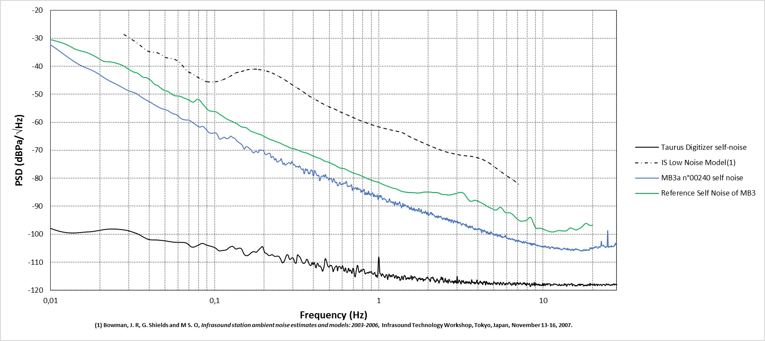
Frequency (Hz) | PSD (dBPa/\/Hz)
0.003688 | -6.155243
0.007377 | -26.10348
0.011065 | -34.07792
0.014753 | -39.206904
0.018442 | -41.786724
0.02213 | -44.73116
0.025818 | -46.726644
0.029507 | -48.585272
0.033195 | -49.669201
0.036883 | -51.501829
0.040572 | -52.82281
0.04426 | -54.202238
0.047948 | -55.157479
0.051637 | -55.763169
0.055325 | -56.850062
0.059013 | -57.398895
0.062702 | -58.720065
0.06639 | -59.17132
0.070078 | -59.270895
0.073767 | -60.148812
0.077455 | -61.053262
0.081143 | -61.729147
0.084832 | -61.465057
0.08852 | -62.428393
0.092208 | -63.645007
0.095897 | -63.941997
0.099585 | -63.792061
0.103273 | -64.086771
0.106962 | -65.942489
0.11065 | -65.769247
0.114338 | -65.355034
0.118027 | -65.824726
0.121715 | -65.71313
0.125403 | -64.943439
0.129092 | -65.470385
0.13278 | -65.745365
0.136468 | -66.580374
0.140157 | -67.162441
0.143845 | -67.640391
0.147533 | -68.218716
0.151222 | -69.548908
0.15491 | -68.792567
0.158598 | -68.764871
0.162287 | -69.292672
0.165975 | -69.694765
0.169663 | -70.597987
0.173352 | -70.921059
0.17704 | -70.394988
0.180728 | -70.492486
0.184417 | -70.796817
0.188105 | -69.863371
0.191793 | -70.006886
0.195482 | -70.019104
0.19917 | -70.239133
0.202858 | -71.322465
0.206547 | -71.564652
0.210235 | -71.289609
0.213923 | -71.149658
0.217612 | -71.11148
0.2213 | -72.641376
0.224988 | -72.186284
0.228677 | -72.526529
0.232365 | -73.524966
0.236053 | -72.970404
0.239742 | -74.186442
0.24343 | -74.062088
0.247118 | -73.825436
0.250807 | -73.698992
0.254495 | -72.982194
0.258183 | -74.234794
0.261872 | -75.082909
0.26556 | -74.552047
0.269249 | -75.27022
0.272937 | -75.10969
0.276625 | -74.813311
0.280314 | -74.576045
0.284002 | -74.395663
0.28769 | -74.593698
0.291379 | -74.951216
0.295067 | -73.971799
0.298755 | -74.520829
0.302444 | -75.181295
0.306132 | -75.098941
0.30982 | -75.565967
0.313509 | -75.986843
0.317197 | -75.69257
0.320885 | -75.819466
0.324574 | -76.14278
0.328262 | -75.527949
0.33195 | -75.860152
0.335639 | -76.535076
0.339327 | -76.765785
0.343015 | -76.954482
0.346704 | -76.66943
0.350392 | -78.405269
0.35408 | -77.898536
0.357769 | -76.646829
0.361457 | -77.187812
0.365145 | -76.777555
0.368834 | -77.088688
0.372522 | -78.35417
0.37621 | -78.070834
0.379899 | -78.408694
0.383587 | -77.371093
0.387275 | -76.993233
0.390964 | -77.38723
0.394652 | -77.286231
0.39834 | -79.196903
0.402029 | -78.911589
0.405717 | -77.332714
0.409405 | -77.298483
0.413094 | -78.013474
0.416782 | -78.56438
0.42047 | -79.032409
0.424159 | -79.09858
0.427847 | -78.830895
0.431535 | -79.113892
0.435224 | -80.831126
0.438912 | -80.789021
0.4426 | -79.876811
0.446289 | -79.304551
0.449977 | -79.222402
0.453665 | -79.318794
0.457354 | -79.21417
0.461042 | -78.883869
0.46473 | -79.48508
0.468419 | -79.374744
0.472107 | -78.639261
0.475795 | -79.056169
0.479484 | -79.86652
0.483172 | -79.923595
0.48686 | -79.681713
0.490549 | -79.856217
0.494237 | -80.622947
0.497925 | -80.377866
0.501614 | -80.103612
0.505302 | -80.228667
0.50899 | -80.122686
0.512679 | -80.043464
0.516367 | -80.736313
0.520055 | -81.085901
0.523744 | -81.354399
0.527432 | -80.428276
0.53112 | -80.113164
0.534809 | -80.381236
0.538497 | -80.909053
0.542185 | -81.431065
0.545874 | -81.607252
0.549562 | -81.367687
0.55325 | -81.402481
0.556939 | -82.073605
0.560627 | -82.714333
0.564315 | -82.609935
0.568004 | -82.424492
0.571692 | -82.14464
0.57538 | -81.554489
0.579069 | -81.413638
0.582757 | -81.846815
0.586445 | -82.270319
0.590134 | -82.272795
0.593822 | -82.195689
0.59751 | -81.967997
0.601199 | -82.032322
0.604887 | -82.171554
0.608575 | -81.922762
0.612264 | -81.711809
0.615952 | -81.692814
0.61964 | -81.850741
0.623329 | -81.895555
0.627017 | -81.668435
0.630705 | -81.182842
0.634394 | -81.117599
0.638082 | -81.67794
0.64177 | -82.536614
0.645459 | -82.971384
0.649147 | -83.018178
0.652835 | -82.972189
0.656524 | -82.767684
0.660212 | -82.750263
0.6639 | -82.882705
0.667589 | -82.88161
0.671277 | -82.767253
0.674965 | -82.604147
0.678654 | -82.311132
0.682342 | -82.402184
0.68603 | -83.312692
0.689719 | -84.33335
0.693407 | -84.199232
0.697095 | -83.652371
0.700784 | -83.324485
0.704472 | -83.437911
0.70816 | -83.638319
0.711849 | -83.784199
0.715537 | -83.736161
0.719225 | -83.517339
0.722914 | -83.305683
0.726602 | -83.352766
0.73029 | -83.754096
0.733979 | -84.056482
0.737667 | -83.825048
0.741355 | -83.3576
0.745044 | -83.570362
0.748732 | -84.056015
0.75242 | -84.024785
0.756109 | -83.81619
0.759797 | -83.829384
0.763485 | -83.853134
0.767174 | -83.832808
0.770862 | -83.949468
0.77455 | -84.401365
0.778239 | -84.991948
0.781927 | -84.97098
0.785615 | -84.383377
0.789304 | -84.335808
0.792992 | -84.884869
0.79668 | -84.88227
0.800369 | -84.595954
0.804057 | -84.508839
0.807746 | -84.268183
0.811434 | -83.914963
0.815122 | -84.027887
0.818811 | -84.904513
0.822499 | -85.867538
0.826187 | -85.937256
0.829876 | -85.348593
0.833564 | -85.129092
0.837252 | -85.454233
0.840941 | -85.839119
0.844629 | -85.752108
0.848317 | -85.277447
0.852006 | -85.2455
0.855694 | -85.766961
0.859382 | -85.503308
0.863071 | -84.736481
0.866759 | -84.589338
0.870447 | -85.197264
0.874136 | -85.808852
0.877824 | -85.68152
0.881512 | -85.423256
0.885201 | -85.536703
0.888889 | -85.848049
0.892577 | -86.119466
0.896266 | -86.168105
0.899954 | -85.928745
0.903642 | -85.78597
0.907331 | -85.536562
0.911019 | -85.238284
0.914707 | -85.244575
0.918396 | -85.212024
0.922084 | -85.540611
0.925772 | -86.398156
0.929461 | -86.580671
0.933149 | -86.068368
0.936837 | -85.78577
0.940526 | -85.835648
0.944214 | -86.26524
0.947902 | -86.617967
0.951591 | -86.438488
0.955279 | -86.303837
0.958967 | -86.436969
0.962656 | -86.421818
0.966344 | -86.398167
0.970032 | -86.490354
0.973721 | -86.253832
0.977409 | -85.92415
0.981097 | -86.104501
0.984786 | -86.975445
0.988474 | -87.607973
0.992162 | -87.29047
0.995851 | -86.760758
0.999539 | -86.359848
1.003227 | -86.132923
1.006916 | -86.199102
1.010604 | -86.323983
1.014292 | -86.566912
1.017981 | -86.828183
1.021669 | -86.649897
1.025357 | -86.197893
1.029046 | -86.072702
1.032734 | -86.303102
1.036422 | -86.524492
1.040111 | -86.656885
1.043799 | -86.962835
1.047487 | -87.305505
1.051176 | -87.61122
1.054864 | -87.658996
1.058552 | -87.612678
1.062241 | -87.475149
1.065929 | -87.351347
...

