SELF-NOISE
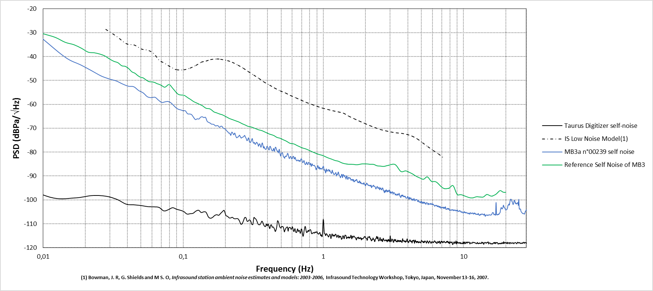
Frequency (Hz) | PSD (dBPa/\/Hz)
0.003704 | -8.141474
0.007408 | -25.809761
0.011112 | -34.951438
0.014816 | -40.776834
0.018519 | -43.45584
0.022223 | -45.924821
0.025927 | -48.090021
0.029631 | -49.351636
0.033335 | -50.207805
0.037039 | -51.503374
0.040743 | -52.429987
0.044447 | -52.64055
0.04815 | -54.231116
0.051854 | -55.207471
0.055558 | -56.823237
0.059262 | -57.2084
0.062966 | -57.032948
0.06667 | -58.248091
0.070374 | -59.205959
0.074078 | -58.980157
0.077781 | -58.797557
0.081485 | -59.304609
0.085189 | -60.355676
0.088893 | -61.443022
0.092597 | -62.07969
0.096301 | -62.347735
0.100005 | -62.667082
0.103709 | -62.7164
0.107412 | -63.927269
0.111116 | -64.034722
0.11482 | -64.301914
0.118524 | -65.400253
0.122228 | -66.365993
0.125932 | -66.069852
0.129636 | -66.124668
0.13334 | -65.3595
0.137043 | -65.228552
0.140747 | -65.556122
0.144451 | -65.462804
0.148155 | -67.041042
0.151859 | -67.541122
0.155563 | -67.828254
0.159267 | -68.279628
0.162971 | -68.3017
0.166674 | -68.572045
0.170378 | -69.037942
0.174082 | -68.919053
0.177786 | -69.007679
0.18149 | -69.634531
0.185194 | -69.194434
0.188898 | -69.192287
0.192602 | -69.829651
0.196305 | -70.232501
0.200009 | -70.286941
0.203713 | -71.026707
0.207417 | -71.370338
0.211121 | -72.025036
0.214825 | -72.040327
0.218529 | -72.976636
0.222233 | -71.643266
0.225936 | -72.071437
0.22964 | -72.74155
0.233344 | -72.011094
0.237048 | -73.224304
0.240752 | -74.002616
0.244456 | -73.686228
0.24816 | -73.553492
0.251864 | -72.897844
0.255567 | -73.495297
0.259271 | -74.126302
0.262975 | -73.840733
0.266679 | -73.693979
0.270383 | -73.525605
0.274087 | -72.992855
0.277791 | -73.683004
0.281495 | -74.292021
0.285198 | -75.209601
0.288902 | -74.775169
0.292606 | -74.020896
0.29631 | -75.46223
0.300014 | -76.036272
0.303718 | -75.776224
0.307422 | -74.96582
0.311126 | -74.321601
0.314829 | -75.737803
0.318533 | -76.284707
0.322237 | -75.937795
0.325941 | -76.681878
0.329645 | -76.569868
0.333349 | -75.877245
0.337053 | -76.117276
0.340757 | -76.533031
0.34446 | -77.535618
0.348164 | -76.797396
0.351868 | -76.517908
0.355572 | -77.358112
0.359276 | -77.951841
0.36298 | -76.910209
0.366684 | -76.134112
0.370388 | -76.99042
0.374091 | -78.309845
0.377795 | -77.688808
0.381499 | -78.494365
0.385203 | -78.672576
0.388907 | -78.903446
0.392611 | -78.336316
0.396315 | -77.55434
0.400019 | -77.88481
0.403722 | -78.145377
0.407426 | -78.984715
0.41113 | -79.043047
0.414834 | -77.626812
0.418538 | -77.590289
0.422242 | -78.185753
0.425946 | -78.899472
0.42965 | -79.283436
0.433353 | -79.389101
0.437057 | -79.41093
0.440761 | -78.446502
0.444465 | -79.053963
0.448169 | -79.650936
0.451873 | -78.435489
0.455577 | -77.922158
0.459281 | -78.179879
0.462984 | -78.958753
0.466688 | -79.309572
0.470392 | -79.674148
0.474096 | -79.594619
0.4778 | -80.351313
0.481504 | -79.49372
0.485208 | -78.818974
0.488912 | -80.216717
0.492615 | -81.066465
0.496319 | -81.712698
0.500023 | -80.713424
0.503727 | -80.469366
0.507431 | -80.291789
0.511135 | -80.257604
0.514839 | -81.119849
0.518543 | -81.837123
0.522246 | -82.134657
0.52595 | -82.12997
0.529654 | -82.602894
0.533358 | -81.779314
0.537062 | -81.6169
0.540766 | -81.81399
0.54447 | -81.82276
0.548174 | -81.491543
0.551877 | -80.938896
0.555581 | -80.515955
0.559285 | -80.695125
0.562989 | -81.333503
0.566693 | -82.046867
0.570397 | -82.611946
0.574101 | -82.636243
0.577805 | -82.149998
0.581508 | -81.83568
0.585212 | -81.805668
0.588916 | -82.216055
0.59262 | -82.7721
0.596324 | -82.911608
0.600028 | -82.695063
0.603732 | -82.224859
0.607436 | -81.873649
0.611139 | -81.728647
0.614843 | -82.012257
0.618547 | -82.694216
0.622251 | -82.879552
0.625955 | -82.374751
0.629659 | -82.172748
0.633363 | -82.685274
0.637067 | -83.233494
0.64077 | -83.323785
0.644474 | -83.546446
0.648178 | -83.695516
0.651882 | -83.413604
0.655586 | -83.338019
0.65929 | -83.33957
0.662994 | -83.324351
0.666698 | -83.705307
0.670401 | -83.769883
0.674105 | -83.450607
0.677809 | -83.634756
0.681513 | -83.957195
0.685217 | -83.615344
0.688921 | -83.20241
0.692625 | -82.964451
0.696329 | -82.734448
0.700032 | -82.838998
0.703736 | -83.483387
0.70744 | -84.063833
0.711144 | -84.319554
0.714848 | -84.368986
0.718552 | -84.154451
0.722256 | -83.885943
0.72596 | -83.521981
0.729663 | -83.681352
0.733367 | -84.280495
0.737071 | -84.77416
0.740775 | -85.071948
0.744479 | -85.236203
0.748183 | -85.043686
0.751887 | -84.914995
0.755591 | -84.508903
0.759294 | -84.162698
0.762998 | -84.5103
0.766702 | -84.967444
0.770406 | -85.084326
0.77411 | -85.227045
0.777814 | -85.020882
0.781518 | -84.393353
0.785222 | -84.254782
0.788925 | -84.428671
0.792629 | -84.564569
0.796333 | -84.672754
0.800037 | -84.966064
0.803741 | -85.298328
0.807445 | -85.000358
0.811149 | -84.6508
0.814853 | -85.206785
0.818556 | -85.921611
0.82226 | -85.905241
0.825964 | -85.468372
0.829668 | -84.941813
0.833372 | -84.920207
0.837076 | -85.242945
0.84078 | -85.536781
0.844484 | -85.633915
0.848187 | -85.587675
0.851891 | -85.569717
0.855595 | -85.584804
0.859299 | -85.558972
0.863003 | -85.501952
0.866707 | -85.679282
0.870411 | -85.990081
0.874115 | -86.068315
0.877818 | -86.225699
0.881522 | -86.695611
0.885226 | -87.193093
0.88893 | -87.393932
0.892634 | -86.866612
0.896338 | -86.710421
0.900042 | -86.84464
0.903746 | -86.587985
0.907449 | -86.026805
0.911153 | -85.627037
0.914857 | -85.722782
0.918561 | -86.017573
0.922265 | -86.418022
0.925969 | -86.863409
0.929673 | -86.815314
0.933377 | -86.302026
0.93708 | -86.245824
0.940784 | -86.714332
0.944488 | -87.175748
0.948192 | -87.093497
0.951896 | -86.845343
0.9556 | -86.704794
0.959304 | -86.87376
0.963008 | -87.002691
0.966711 | -86.966529
0.970415 | -86.886287
0.974119 | -87.074113
0.977823 | -87.145291
0.981527 | -87.01609
0.985231 | -86.649769
0.988935 | -86.240619
0.992639 | -86.213036
0.996342 | -86.174559
1.000046 | -85.905777
1.00375 | -86.001934
1.007454 | -86.700396
1.011158 | -87.350792
1.014862 | -87.597315
1.018566 | -87.431611
1.02227 | -87.378062
1.025973 | -87.594751
1.029677 | -87.801884
1.033381 | -88.326214
1.037085 | -88.725272
1.040789 | -88.485392
1.044493 | -87.724971
1.048197 | -87.040355
1.051901 | -87.11246
1.055604 | -87.5638
1.059308 | -87.853303
1.063012 | -88.08062
1.066716 | -87.749056
1.07042 | -87.584673
...

