SELF-NOISE
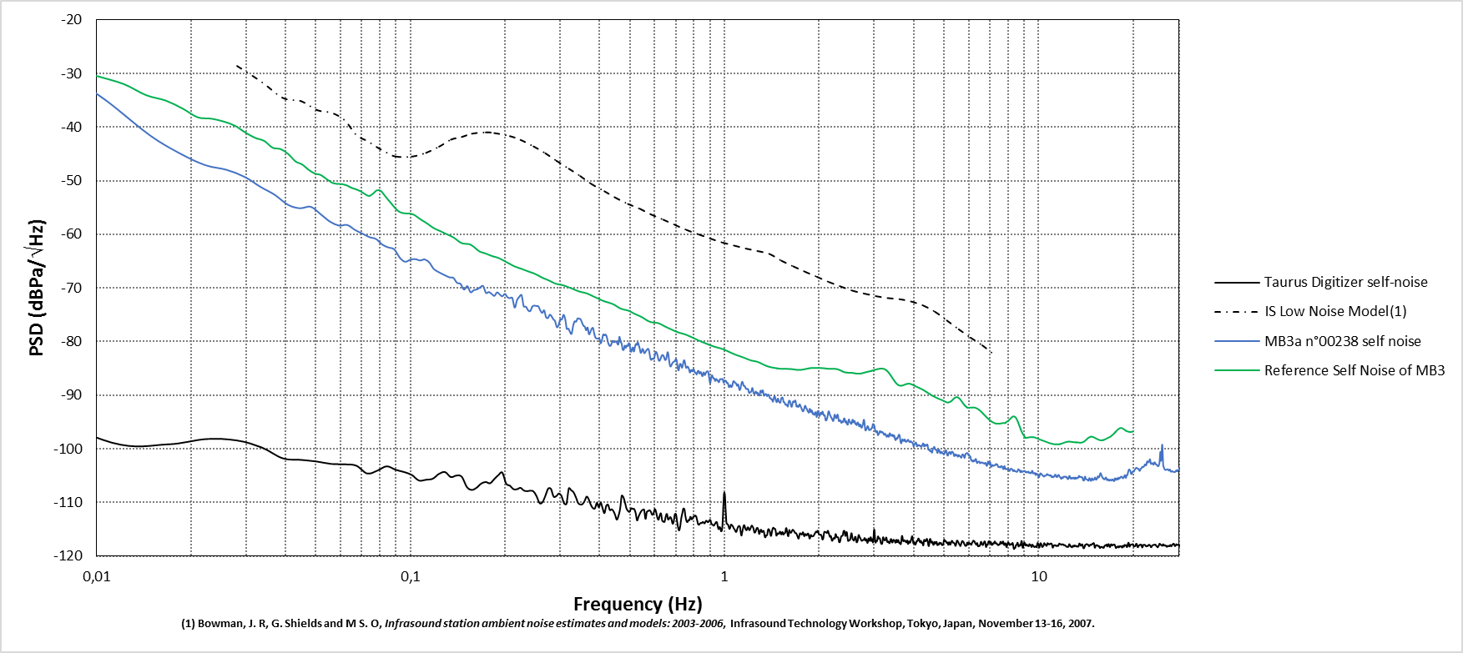
Frequency (Hz) | PSD (dBPa/\/Hz)
0.003704 | -10.044825
0.007407 | -27.745775
0.011111 | -35.683278
0.014815 | -41.527987
0.018519 | -44.94974
0.022222 | -47.094001
0.025926 | -47.943405
0.02963 | -49.264909
0.033333 | -51.143341
0.037037 | -52.644653
0.040741 | -54.478492
0.044444 | -55.13183
0.048148 | -54.859735
0.051852 | -56.268962
0.055556 | -57.653179
0.059259 | -58.365029
0.062963 | -58.252331
0.066667 | -59.182838
0.07037 | -59.866486
0.074074 | -60.513972
0.077778 | -60.877536
0.081481 | -61.929513
0.085185 | -62.455599
0.088889 | -62.799909
0.092593 | -64.389601
0.096296 | -65.118263
0.1 | -64.722053
0.103704 | -64.618168
0.107407 | -64.867924
0.111111 | -64.681975
0.114815 | -65.22437
0.118519 | -66.409399
0.122222 | -66.948554
0.125926 | -67.354856
0.12963 | -67.706168
0.133333 | -68.03008
0.137037 | -68.119062
0.140741 | -69.043655
0.144444 | -69.242045
0.148148 | -70.298678
0.151852 | -69.665681
0.155556 | -70.796708
0.159259 | -70.401723
0.162963 | -70.268624
0.166667 | -69.901037
0.17037 | -69.629636
0.174074 | -70.915501
0.177778 | -70.760531
0.181481 | -71.111961
0.185185 | -71.47657
0.188889 | -70.821042
0.192593 | -71.220585
0.196296 | -71.546396
0.2 | -71.090537
0.203704 | -71.724546
0.207407 | -71.903453
0.211111 | -71.846426
0.214815 | -73.67213
0.218519 | -72.303084
0.222222 | -71.6554
0.225926 | -71.339638
0.22963 | -73.43314
0.233333 | -73.48663
0.237037 | -74.156955
0.240741 | -74.311679
0.244444 | -73.481188
0.248148 | -73.287293
0.251852 | -73.37154
0.255556 | -73.439107
0.259259 | -74.18633
0.262963 | -74.651843
0.266667 | -74.178449
0.27037 | -75.452496
0.274074 | -75.619519
0.277778 | -74.998974
0.281481 | -75.253627
0.285185 | -75.85345
0.288889 | -76.167285
0.292593 | -77.303429
0.296296 | -76.953917
0.3 | -75.851728
0.303704 | -75.886771
0.307407 | -75.01026
0.311111 | -75.786864
0.314815 | -77.631716
0.318519 | -77.579822
0.322222 | -78.216488
0.325926 | -78.556299
0.32963 | -77.129614
0.333333 | -76.224922
0.337037 | -76.300056
0.340741 | -75.679148
0.344444 | -75.739151
0.348148 | -75.824189
0.351852 | -76.447523
0.355556 | -77.031357
0.359259 | -77.225404
0.362963 | -77.883536
0.366667 | -77.369463
0.37037 | -78.624116
0.374074 | -78.213571
0.377778 | -77.613094
0.381481 | -77.466307
0.385185 | -78.588445
0.388889 | -79.320652
0.392593 | -79.418052
0.396296 | -79.463459
0.4 | -79.476908
0.403704 | -80.32616
0.407407 | -79.722176
0.411111 | -78.679154
0.414815 | -78.846002
0.418519 | -78.683677
0.422222 | -79.16985
0.425926 | -80.166342
0.42963 | -80.689179
0.433333 | -80.822203
0.437037 | -80.387052
0.440741 | -79.852479
0.444444 | -80.106623
0.448148 | -80.064007
0.451852 | -79.947818
0.455556 | -80.299788
0.459259 | -80.533927
0.462963 | -79.105459
0.466667 | -80.040186
0.47037 | -80.332732
0.474074 | -81.48566
0.477778 | -81.57142
0.481481 | -80.73931
0.485185 | -81.164288
0.488889 | -80.706552
0.492593 | -80.848774
0.496296 | -80.266953
0.5 | -80.824827
0.503704 | -81.905819
0.507407 | -81.515881
0.511111 | -81.085892
0.514815 | -81.855139
0.518519 | -81.081925
0.522222 | -80.449555
0.525926 | -80.609721
0.52963 | -80.150387
0.533333 | -80.674107
0.537037 | -81.24994
0.540741 | -82.07236
0.544444 | -81.941164
0.548148 | -81.355785
0.551852 | -81.621849
0.555556 | -82.168325
0.559259 | -82.000507
0.562963 | -81.705214
0.566667 | -81.51599
0.57037 | -81.336061
0.574074 | -81.49509
0.577778 | -82.33794
0.581481 | -83.235116
0.585185 | -83.426912
0.588889 | -83.170069
0.592593 | -83.171386
0.596296 | -83.224891
0.6 | -82.584309
0.603704 | -81.931473
0.607407 | -82.021896
0.611111 | -82.407488
0.614815 | -83.058421
0.618519 | -83.576343
0.622222 | -83.546062
0.625926 | -83.210212
0.62963 | -82.774497
0.633333 | -82.511269
0.637037 | -82.542738
0.640741 | -82.741159
0.644444 | -83.171871
0.648148 | -83.444862
0.651852 | -83.294033
0.655556 | -82.598616
0.659259 | -81.972729
0.662963 | -82.447365
0.666667 | -83.546731
0.67037 | -84.420245
0.674074 | -84.665685
0.677778 | -84.425401
0.681481 | -84.112434
0.685185 | -83.872653
0.688889 | -83.769448
0.692593 | -83.716275
0.696296 | -83.52664
0.7 | -83.264237
0.703704 | -83.40317
0.707407 | -84.201729
0.711111 | -85.197759
0.714815 | -85.364317
0.718519 | -84.620887
0.722222 | -84.160944
0.725926 | -84.214786
0.72963 | -84.696207
0.733333 | -84.865936
0.737037 | -84.379826
0.740741 | -83.714087
0.744444 | -83.458754
0.748148 | -83.824898
0.751852 | -84.508094
0.755556 | -84.92869
0.759259 | -84.764294
0.762963 | -84.65222
0.766667 | -84.805429
0.77037 | -85.059032
0.774074 | -85.581754
0.777778 | -85.782412
0.781481 | -85.358441
0.785185 | -85.275043
0.788889 | -85.550986
0.792593 | -85.460639
0.796296 | -85.143304
0.8 | -85.290455
0.803704 | -85.667616
0.807407 | -85.827379
0.811111 | -85.832469
0.814815 | -86.141256
0.818519 | -85.905067
0.822222 | -85.502107
0.825926 | -85.438389
0.82963 | -85.596062
0.833333 | -85.968952
0.837037 | -85.815235
0.840741 | -85.661333
0.844444 | -85.895098
0.848148 | -86.334434
0.851852 | -86.461469
0.855556 | -85.996629
0.859259 | -85.745284
0.862963 | -86.113903
0.866667 | -86.249276
0.87037 | -85.976809
0.874074 | -85.764893
0.877778 | -85.577838
0.881481 | -85.556867
0.885185 | -85.540726
0.888889 | -85.812762
0.892593 | -86.474672
0.896296 | -87.240643
0.9 | -87.76881
0.903704 | -87.425313
0.907407 | -86.694561
0.911111 | -86.284794
0.914815 | -86.349168
0.918519 | -86.683362
0.922222 | -86.897907
0.925926 | -86.819675
0.92963 | -86.930033
0.933333 | -87.34635
0.937037 | -87.289352
0.940741 | -86.984384
0.944444 | -87.019251
0.948148 | -87.171481
0.951852 | -87.291683
0.955556 | -87.44444
0.959259 | -87.582409
0.962963 | -87.399391
0.966667 | -87.045524
0.97037 | -86.99126
0.974074 | -86.994467
0.977778 | -87.036305
0.981481 | -86.991576
0.985185 | -86.960696
0.988889 | -87.105309
0.992593 | -87.577579
0.996296 | -87.658606
1 | -87.243492
1.003704 | -87.352969
1.007407 | -87.412561
1.011111 | -87.297057
1.014815 | -87.523089
1.018519 | -87.764463
1.022222 | -87.664214
1.025926 | -87.771696
1.02963 | -88.142928
1.033333 | -88.505794
1.037037 | -88.450129
1.040741 | -88.24038
1.044444 | -88.107716
1.048148 | -88.26059
1.051852 | -88.493452
1.055556 | -88.402175
1.059259 | -88.213982
1.062963 | -87.781162
1.066667 | -87.472188
1.07037 | -87.366424
1.074074 | -87.437891
...

