SELF-NOISE
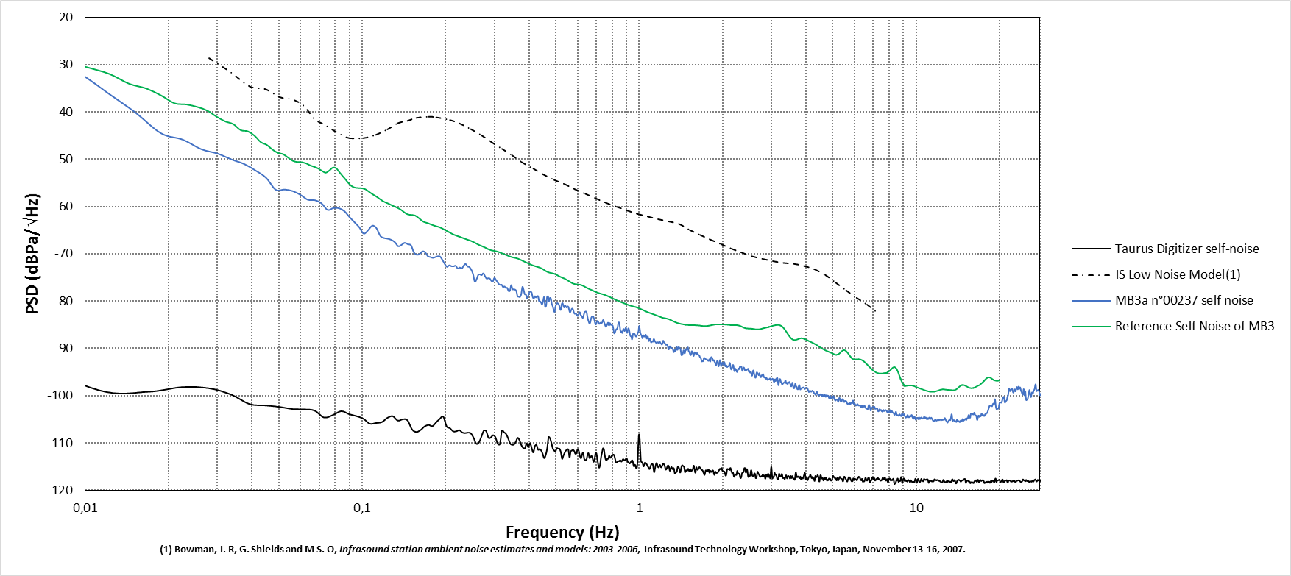
Frequency (Hz) | PSD (dBPa/\/Hz)
0.003751 | -7.902061
0.007501 | -26.613645
0.011252 | -34.695523
0.015002 | -39.885258
0.018753 | -44.490093
0.022504 | -45.860772
0.026254 | -47.877691
0.030005 | -48.79092
0.033755 | -50.050827
0.037506 | -51.010227
0.041256 | -52.402222
0.045007 | -53.941887
0.048758 | -56.453321
0.052508 | -56.401626
0.056259 | -56.749413
0.060009 | -57.569329
0.06376 | -58.58396
0.067511 | -58.655307
0.071261 | -59.314391
0.075012 | -60.715249
0.078762 | -60.319363
0.082513 | -60.362965
0.086263 | -60.983161
0.090014 | -62.241267
0.093765 | -63.303736
0.097515 | -64.346707
0.101266 | -65.720057
0.105016 | -65.006836
0.108767 | -64.054927
0.112518 | -64.549228
0.116268 | -66.211624
0.120019 | -66.665064
0.123769 | -66.804237
0.12752 | -67.06646
0.131271 | -67.551423
0.135021 | -68.416058
0.138772 | -68.094673
0.142522 | -67.668915
0.146273 | -67.985428
0.150023 | -68.206836
0.153774 | -69.708679
0.157525 | -70.195582
0.161275 | -70.012526
0.165026 | -69.49648
0.168776 | -69.676545
0.172527 | -70.488793
0.176278 | -70.677798
0.180028 | -70.852533
0.183779 | -70.683339
0.187529 | -70.519298
0.19128 | -70.596434
0.19503 | -71.336206
0.198781 | -72.170011
0.202532 | -72.757781
0.206282 | -72.424362
0.210033 | -72.620398
0.213783 | -72.651842
0.217534 | -72.513853
0.221285 | -73.120407
0.225035 | -72.893346
0.228786 | -73.122376
0.232536 | -72.488801
0.236287 | -72.139587
0.240038 | -72.680645
0.243788 | -72.789224
0.247539 | -73.350639
0.251289 | -74.262735
0.25504 | -75.884094
0.25879 | -75.380168
0.262541 | -74.444103
0.266292 | -74.361504
0.270042 | -74.509312
0.273793 | -74.113672
0.277543 | -74.707055
0.281294 | -75.237348
0.285045 | -75.15704
0.288795 | -75.217566
0.292546 | -75.691361
0.296296 | -75.86162
0.300047 | -75.08782
0.303797 | -75.486401
0.307548 | -75.929984
0.311299 | -76.387039
0.315049 | -76.567906
0.3188 | -76.528135
0.32255 | -77.024585
0.326301 | -76.887427
0.330052 | -77.210173
0.333802 | -77.19614
0.337553 | -77.872502
0.341303 | -77.835508
0.345054 | -76.606447
0.348805 | -77.493689
0.352555 | -77.481443
0.356306 | -77.571335
0.360056 | -77.829905
0.363807 | -78.98016
0.367557 | -79.070017
0.371308 | -79.122041
0.375059 | -78.525353
0.378809 | -76.989069
0.38256 | -77.589221
0.38631 | -78.558843
0.390061 | -78.597413
0.393812 | -79.469955
0.397562 | -78.883492
0.401313 | -78.163198
0.405063 | -77.98924
0.408814 | -78.151811
0.412564 | -79.120625
0.416315 | -79.48058
0.420066 | -78.969118
0.423816 | -79.223373
0.427567 | -79.049572
0.431317 | -78.941832
0.435068 | -80.025298
0.438819 | -80.030358
0.442569 | -80.36122
0.44632 | -80.67665
0.45007 | -79.960935
0.453821 | -79.169601
0.457571 | -81.222529
0.461322 | -81.011101
0.465073 | -79.134307
0.468823 | -78.967337
0.472574 | -79.988949
0.476324 | -79.307129
0.480075 | -79.460663
0.483826 | -80.617254
0.487576 | -81.10384
0.491327 | -81.860694
0.495077 | -82.269196
0.498828 | -81.144735
0.502579 | -80.627087
0.506329 | -80.393709
0.51008 | -80.571436
0.51383 | -80.83859
0.517581 | -81.597037
0.521331 | -81.838712
0.525082 | -80.616811
0.528833 | -80.417702
0.532583 | -80.98635
0.536334 | -81.347188
0.540084 | -80.927629
0.543835 | -81.130859
0.547586 | -81.35351
0.551336 | -81.115923
0.555087 | -81.197703
0.558837 | -81.911416
0.562588 | -82.36398
0.566338 | -82.097711
0.570089 | -81.70093
0.57384 | -81.570435
0.57759 | -81.842591
0.581341 | -82.413372
0.585091 | -82.686405
0.588842 | -82.629293
0.592593 | -82.70068
0.596343 | -82.964484
0.600094 | -83.148398
0.603844 | -82.938378
0.607595 | -82.353965
0.611346 | -82.399271
0.615096 | -82.912905
0.618847 | -83.091794
0.622597 | -83.375129
0.626348 | -83.548975
0.630098 | -83.080694
0.633849 | -82.469616
0.6376 | -82.253192
0.64135 | -82.179217
0.645101 | -82.264055
0.648851 | -82.973216
0.652602 | -83.756919
0.656353 | -84.238004
0.660103 | -84.640079
0.663854 | -84.700811
0.667604 | -84.195552
0.671355 | -83.542023
0.675105 | -83.252681
0.678856 | -83.251548
0.682607 | -83.277595
0.686357 | -83.596786
0.690108 | -84.117048
0.693858 | -84.754345
0.697609 | -84.938787
0.70136 | -84.601236
0.70511 | -84.19332
0.708861 | -84.202124
0.712611 | -84.45426
0.716362 | -84.78831
0.720113 | -84.7731
0.723863 | -84.565145
0.727614 | -84.5782
0.731364 | -84.625353
0.735115 | -84.526748
0.738865 | -84.088023
0.742616 | -83.981805
0.746367 | -84.396175
0.750117 | -84.747328
0.753868 | -85.133087
0.757618 | -85.416967
0.761369 | -85.315621
0.76512 | -85.063816
0.76887 | -84.734206
0.772621 | -84.556194
0.776371 | -85.064765
0.780122 | -85.11382
0.783872 | -84.652339
0.787623 | -84.856586
0.791374 | -85.049974
0.795124 | -84.932836
0.798875 | -85.088989
0.802625 | -85.206314
0.806376 | -85.740846
0.810127 | -86.576777
0.813877 | -86.853546
0.817628 | -86.631224
0.821378 | -86.244574
0.825129 | -85.998847
0.82888 | -85.931468
0.83263 | -85.822896
0.836381 | -85.461359
0.840131 | -84.720266
0.843882 | -84.473294
0.847632 | -84.580397
0.851383 | -85.234305
0.855134 | -86.254163
0.858884 | -86.500914
0.862635 | -86.370323
0.866385 | -86.63268
0.870136 | -86.720314
0.873887 | -86.165261
0.877637 | -85.870439
0.881388 | -86.071009
0.885138 | -86.332444
0.888889 | -86.18877
0.892639 | -85.701834
0.89639 | -85.635936
0.900141 | -86.226416
0.903891 | -86.72225
0.907642 | -86.509486
0.911392 | -85.937258
0.915143 | -85.746295
0.918894 | -86.00541
0.922644 | -86.459015
0.926395 | -87.075508
0.930145 | -87.396642
0.933896 | -87.437713
0.937647 | -87.619554
0.941397 | -88.09613
0.945148 | -87.818555
0.948898 | -87.063193
0.952649 | -86.819917
0.956399 | -86.895382
0.96015 | -86.872656
0.963901 | -87.004382
0.967651 | -87.174174
0.971402 | -87.418643
0.975152 | -87.511562
0.978903 | -87.332682
0.982654 | -87.205046
0.986404 | -86.858216
0.990155 | -86.658935
0.993905 | -86.416347
0.997656 | -85.545641
1.001406 | -85.231703
1.005157 | -85.917274
1.008908 | -86.577036
1.012658 | -86.940505
1.016409 | -87.184628
1.020159 | -87.228416
1.02391 | -87.603656
1.027661 | -87.870725
1.031411 | -87.447764
1.035162 | -87.187892
1.038912 | -87.416403
1.042663 | -87.506505
1.046414 | -87.49486
1.050164 | -87.360223
1.053915 | -87.089026
1.057665 | -87.165453
1.061416 | -87.633304
1.065166 | -87.93979
1.068917 | -87.805301
1.072668 | -87.465403
1.076418 | -87.624804
1.080169 | -88.225712
1.083919 | -88.46715
...

